Sheet1
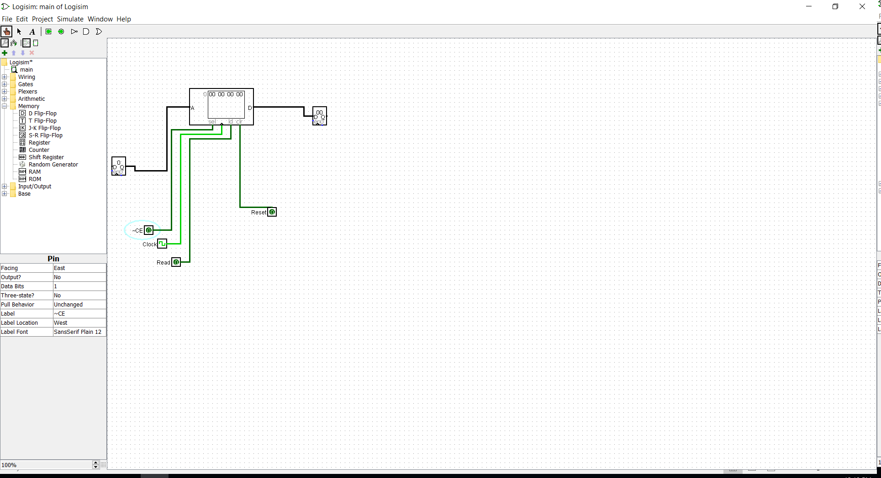
Questions | Answers
Processor | # of Address Lines | # of Data Lines | # of Addressable Bins in Address Space | # of Pages of Memory
(1 mp) | 17 | 32 | 2^17 | 16
Memory Device | # of Address Lines | # of Data Lines | # of Write Enable Lines (~WE)
(1 chip) | 13 | 16 | 1

1) How many addressable memory locations are in each memory device? | For each memory device, we have 13 address lines. Meaning 2^13 = 8192 addressable memory locations

2) How many bits of memory are in each device? | We have 13 addressable lines, 16 lines for data. So that makes it 8 KB x 16 bits available ( 131072 )

3) Complete the table below
Page | Address (Hex)
Page 0 Starting Address | 0x00000
Page 0 Ending Address | 0x01FFF
Page 1 Starting Address | 0x02000
Page 1 Ending Address | 0x03FFF
…
…
Page 7 Starting Address | 0x0E000
Page 7 Ending Address | 0x0FFFF
…
…
Page 15 Starting Address | 0x1EOOO
Page 15 Ending Address | 0x1FFFF

4) What is the total number of memory devices (chips) required to completely fill this processor’s address space? | We have 16 pages. And each page needs 2. Making it 32 chips total

5) Does this memory system support byte-level addressing? Note that without more data, you must assume the smaller memory cannot select bytes. Support your conclusion with a sentence or two. | No. This memory system does not support byte level addressing. That is because the processor only have 17 bit to address. 4 of them are for the pages. And the rest 13 of thems is for the memory device

6) A specific microprocessor is described in the HW. Using that processor’s specifications and answer the following questions.
6a) How many BS bits? | 2
6b) How many offset bits? | 17
6c) How many page bits? | 11

7) How many memory devices/chips would you need to completely fill the addressable memory space of this processor? | !

8) Fill in the table below
Page | Address (Hex)
Page 0 Starting Address | 0x0
Page 0 Ending Address | 0x7FFFF
… | …
… | …
Page 17 Starting Address | 0x880000
Page 17 Ending Address | 0x8FFFFF
… | …
… | …
Page 381 Starting Address | 0xBE80000
Page 381 Ending Address | 0xBEFFFFF
… | …
… | …
Page 1024 Starting Address | 0x20000000
Page 1024 Ending Address | 0x2007FFFF
… | …
… | …
Page 1094 Starting Address | 0x22300000
Page 1094 Ending Address | 0x2237FFFF
… | …

 | Acttive low
9) Consider the control lines for the memory device, as indicated in the table below. Write the logical boolean equation for a long word write (of 32 bits) | ~CE * (~W0~W1~W2~W3 ) * !~OE (All these 5 need to be enabled with active low and output enable is deactive)

10) What is the logical Boolean equation for the control signals to perform a byte-write to address 01 in little endian format? | Little endian: From right to left. Which will be: (~ W0*!~W1*!~W2*!~W3) * ~CE * !~OE

11) What is the logical Boolean equation for the control signals to perform a word-write to address 00 in big endian format? | Big endian: Normal order, from left to right. (~CE(~W1 * !~W0 * !~W2 * !~W3) * ! ~OE )

12) What is the logical Boolean equation for the control signals to perform a byte read for address 11? | (~CE(!~W1 * !~W0 * !~W2 * ~W3) )~OE

13) Suppose you want to write the value 5 in binary to address 3 in a 4x3 memory device. The control and data lines are tabulated below; fill in the correct pattern of control and data signals to accomplish this write. | R (Reset) | A1 | A0 | D2 | D1 | D0 | ~WE
 | 0 | 1 | 1 | 1 | 0 | 1 | 0
14) Suppose you want to read some data from address 1 in an 8x4 memory device. The control and data lines should be tabulated below; fill in the names of the appropriate address lines, data lines, and control lines using the previous problem as an example. Note that this device has an active low write-enable and active high reset, just like the previous chip. Fill in the lines and the correct pattern of signals to accomplish this read. | R (Reset) | A2 | A1 | A0 | D3 | D2 | D1 | D0 | ~WE

 | 0 | 0 | 0 | 1 | 0 | 0 | 0 | 0 | 1
15) Design the memory circuit described in problem 14 using the built-in RAM device provided in Logisim. Configure the control lines and test your circuit. Include this .circ file in your submission, and attach a screen shot of your work here. | Screenshot is below

16a) What was the word value at mem location $4000? | At the hex value 4000. The value is FF FF
16b) What is the same value in memory just before the AND.W D3, (A1) statement? | Just before AND.W D3, (A1). A(0) was 00004002 and A(1) was loaded with the value at address1. The value in memory at that time is 4F17
16c) What is the value of the word of data (not byte) in memory location $4000 just after the AND statement? This is point in the program where the PC is just about to loop back to the beginning and start over again. | The value of the word of data in memory location $4000 is 4515 according to the trace of easy68k
16d) What happened to the memory value? Why and how did it change? | The memory value was changed because of the statement AND between D3 and (A1). In which (A1) was accessed and it was ANDED with the value at D3
16e) What is a bitmask? | A bit mask is a binary number or a bitmap where the desired bit(s) are one and the remaining 0. By performing a bitwise AND operation of a value with a bitmask, one can test for certain bits being on
16f) What steps did you take to trace the code and arrive at these answers? | I compiled the code. And step over each step and take a look at the memory location for each D and A

